Range Names complete
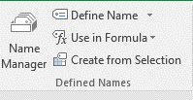
Health & Fitness Gym |  |  |  |  | Result
Date Prepared: | 2018-12-05 |  |  | Put your mouse in an empty cell
 |  |  |  |  | Deluxe | ='Range Names complete'!$A$18
Client | Membership | Cost | Down Payment | Go to Formula bar | DeluxeCost | ='Range Names complete'!$B$18
Andrews | Deluxe | 575.00 | 250.00 | Select "Use is Formula" | DeluxeDownPayment | ='Range Names complete'!$C$18
Baker | Individual | 300.00 | 150.00 |  | Family | ='Range Names complete'!$A$19
Carter | Family | 1,500.00 | 700.00 |  | FamilyCost | ='Range Names complete'!$B$19
Dudley | Deluxe | 575.00 | 250.00 |  | FamilyDownPayment | ='Range Names complete'!$C$19
Evans | Deluxe | 575.00 | 250.00 | Select Paste names (do not click on any of the names) | Individual | ='Range Names complete'!$A$20
Foust | Individual | 300.00 | 150.00 |  | IndividualCost | ='Range Names complete'!$B$20
Gardner | Individual | 300.00 | 150.00 |  | IndividualDownPayment | ='Range Names complete'!$C$20
Hart | Individual | 300.00 | 150.00
Ivans | Individual | 300.00 | 150.00
Totals

Membership | Cost | Down Payment
Deluxe | $575 | $250
Family | $1,500 | $700
Individual | $300 | $150

Locker Fee | $75
Interest Rate | 5.75%
Months Per Year | 12

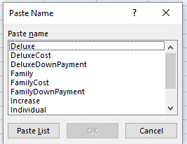
 |  |  |  | Select Paste List

Goal Seek complete
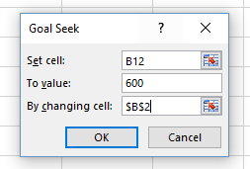
Input Area
Cost of Car | $45,000.00
Down Payment | $8,000.00
APR | 4.50%
No. Years for Loan | 5
Payments Per Year | 12

Output Area
Amount of Loan | $37,000.00
Periodic Rate | 0.38%
No. Payment Periods | 60
Monthly Payment | $689.79
Total to Repay Loan | $41,387.50
Total Interest Paid | $4,387.50

Solver complete
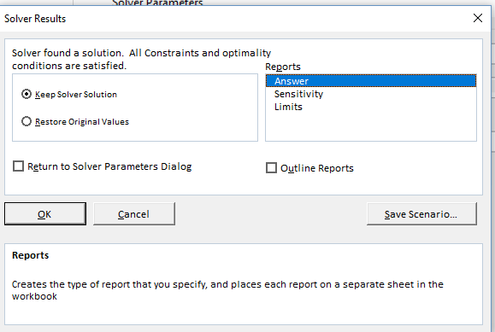
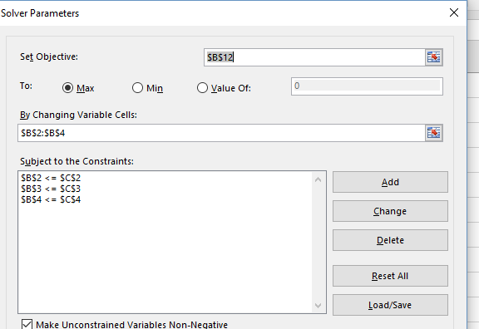
Input Area |  | Maximum | Minimum
Cost of Car | $45,000.00 | $50,000.00 | $40,000.00
Down Payment | $8,000.00 | $8,000.00 | $4,000.00
APR | 4.50% | 5.50% | 4.00%
No. Years for Loan | 5 | 6 | 4
Payments Per Year | 12 | 12 | 12

Output Area
Amount of Loan | $37,000.00
Periodic Rate | 0.38%
No. Payment Periods | 60
Monthly Payment | $689.79
Total to Repay Loan | $41,387.50
Total Interest Paid | $4,387.50

 |  |  |  | Only maximums were put in but the minimums could be added
 |  |  |  | Don't forget to select the report required. A separate worksheet work be created with the results.

Scenario Manager complete
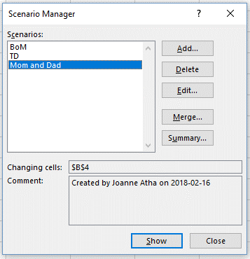
Input Area
Cost of Car | $45,000.00
Down Payment | $8,000.00
APR | 4.50%
No. Years for Loan | 5
Payments Per Year | 12 | A new worksheet will be created with the results

Output Area
Amount of Loan | $37,000.00
Periodic Rate | 0.38%
No. Payment Periods | 60
Monthly Payment | $689.79
Total to Repay Loan | $41,387.50
Total Interest Paid | $4,387.50

Data Validation
 | January | February | March
New West | 55,000 | 52,500 | 30,000
Burnaby | 65,000 | 60,000 | 45,000
Vancouver | 40,000 | 75,000 | 90,000
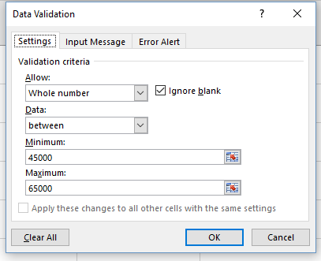

 |  |  | Didn't need to include the row and column headings

